CEC data
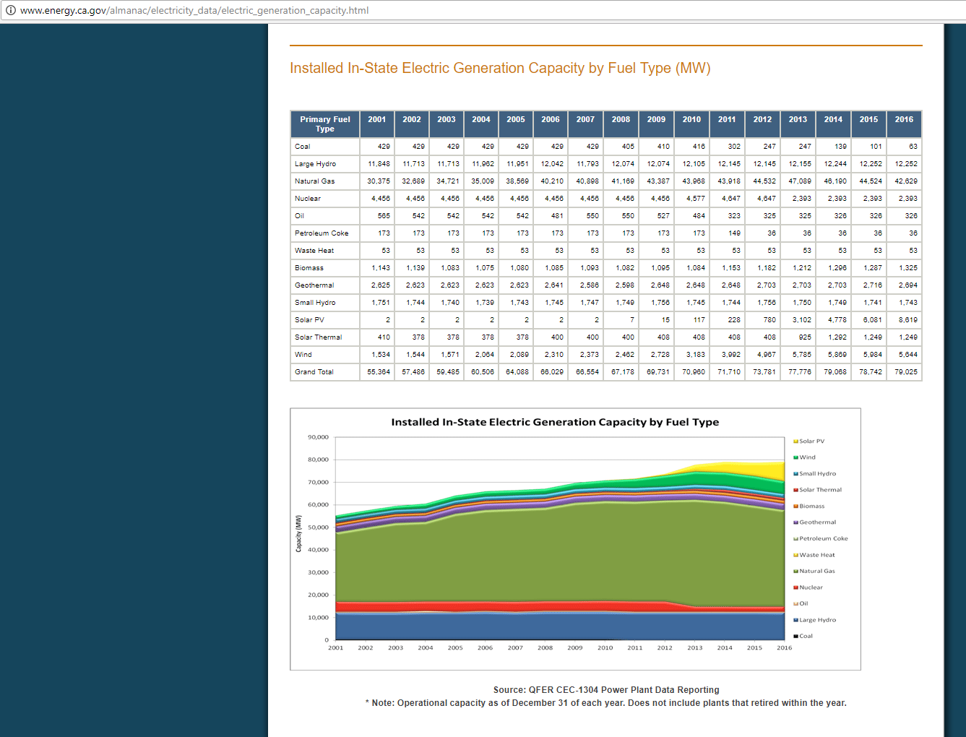
CEC data on capacity installed
Note these data do not account for behind the meter / rooftop solar, therefore we use E3 data to estimate the historical maximum for that variable.
By visual inspection, we identify the largest capacity in the historical data as follows

Natural gas
 | 2004 | 2005 |  |  |  | 2012 | 2013
largest year in CEC data | 35009 | 38569 | 3560 |  | second largest year | 44532 | 47089 | 2557

Oil
Decreasing capacity in every year per CEC |  |  |  | 0
Lacking visibility into fuel for peakers in E3 Pathways data, we use the CEC.

Biomass
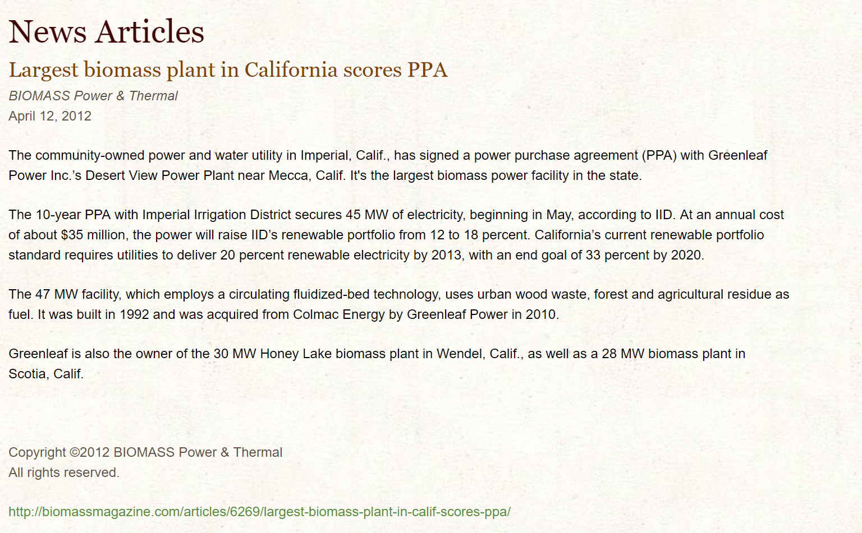
Biomass
Biomass notes

The main method -- either CEC or E3 -- shows a maximum of |  | 56.071581292

This low level begs for an adjustment

This trade journal article profiles the largest biomass project in California, which itself is 45 MMT. To get to the value for this technology, we double that largest plant as the feasible maximum.
2 x 45
http://www.greenleaf-power.com/news/news-articles/35-largest-biomass-plant-in-calif-scores-ppa.html
Final value: | 90

Offshore wind
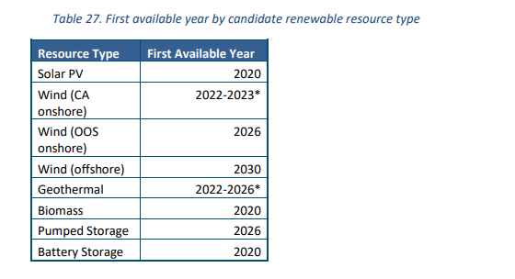
Based on the second source cited, excerpt shown below, set offshore wind to zero for 2030 model specification

Value | 0

